Guidelines
Guidelines

Course Placement DATA
Placement - Only required to fill in the boxes in Blue. Eg. < Column: A and B >; < Column: D >; and < Column: I to N >

To check individual training history > filter by Per Number of Name

To check the last Course Run Code: Filter by Text < Columm: A / Row: 1 >; < Text Filters >; < Begins With >; and < Key in the Programme Type Code (eg. WSQ, SAF, IAU, etc)>

Course Runs DATA
Only required to fill in the boxes in Blue < Column: A >; and < Column: N to T >

Course Directory
Only required to fill in the boxes in Blue < Column: C to O >
Select from dropdown list or fill in text
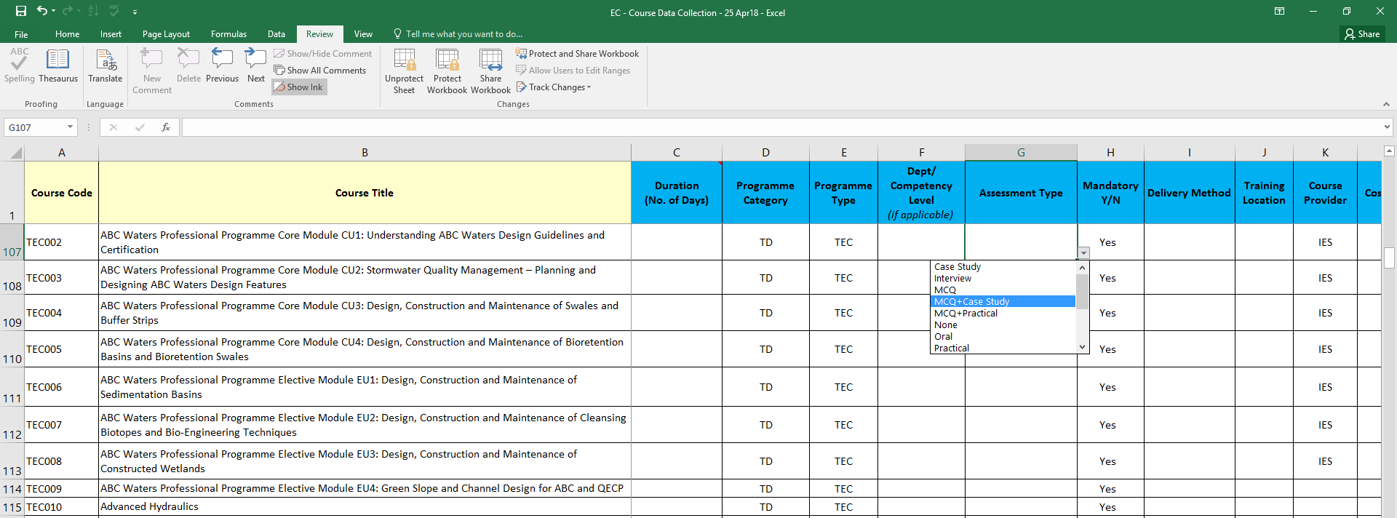

Update Frequency
Every 3rd week of the month - PIC to send your updated file to Administrator.

